Results
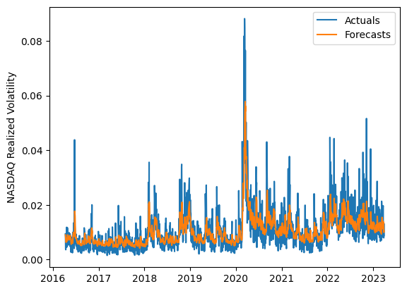
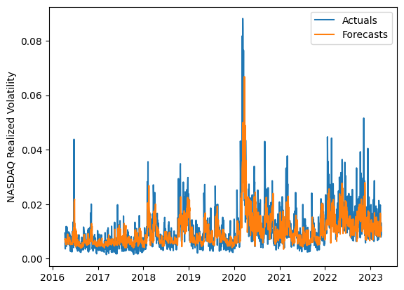
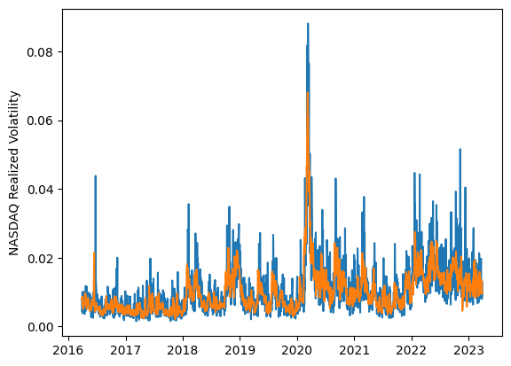
 | LSTM |  |  | TCN |  |  | NBEATSx |  |  |  |  | LSTM |  |  | TCN |  |  | NBEATSx
 | Accuracy | RMSE | Qlike | Accuracy | RMSE | Qlike | Accuracy | RMSE | Qlike |  |  | Accuracy | RMSE | Qlike | Accuracy | RMSE | Qlike | Accuracy | RMSE | Qlike
Trial 1 | 62.50% | 0.35% | 9.73% | 64.38% | 0.38% | 10.43% | 61.46% | 0.36% | 10.55% |  | Mean | 63.56% | 0.345% | 0.095 | 60.33% | 0.417% | 0.130 | 61.16% | 0.364% | 0.109
Trial 2 | 64.46% | 0.34% | 9.18% | 62.63% | 0.40% | 12.04% | 60.90% | 0.36% | 10.69% |  | Standard Deviation | 2.89% | 0.006% | 0.010 | 3.50% | 0.034% | 0.019 | 0.61% | 0.003% | 0.004
Trial 3 | 64.11% | 0.34% | 9.25% | 60.11% | 0.48% | 17.31% | 60.12% | 0.37% | 10.99% |  | 95% CI upper bound | 69.34% | 0.356% | 0.115 | 67.33% | 0.486% | 0.167 | 62.38% | 0.371% | 0.116
Trial 4 | 62.97% | 0.35% | 9.61% | 63.37% | 0.41% | 12.28% | 61.73% | 0.36% | 10.65% |  | 95% CI lower bound | 57.79% | 0.333% | 0.076 | 53.33% | 0.349% | 0.093 | 59.94% | 0.358% | 0.102
Trial 5 | 55.43% | 0.36% | 12.48% | 60.09% | 0.40% | 12.06% | 60.86% | 0.37% | 10.95% |  | 99.7% CI upper bound | 72.23% | 0.361% | 0.124 | 70.83% | 0.520% | 0.186 | 63.00% | 0.374% | 0.120
Trial 6 | 66.36% | 0.34% | 8.66% | 58.91% | 0.44% | 14.57% | 60.35% | 0.37% | 10.98% |  | 99.7% CI lower bound | 54.90% | 0.328% | 0.066 | 49.82% | 0.315% | 0.074 | 59.33% | 0.355% | 0.099
Trial 7 | 65.47% | 0.34% | 9.00% | 63.24% | 0.38% | 10.68% | 61.35% | 0.36% | 10.96%
Trial 8 | 63.77% | 0.34% | 9.37% | 54.19% | 0.38% | 13.41% | 61.67% | 0.36% | 11.11%
Trial 9 | 67.13% | 0.34% | 8.61% | 63.67% | 0.44% | 12.84% | 60.42% | 0.36% | 10.42%
Trial 10 | 66.67% | 0.34% | 8.58% | 63.71% | 0.41% | 11.50% | 61.93% | 0.36% | 10.75%
Trial 11 | 64.39% | 0.34% | 9.17% | 57.15% | 0.39% | 12.23% | 61.20% | 0.37% | 11.10%
Trial 12 | 61.47% | 0.35% | 10.15% | 60.92% | 0.48% | 15.96% | 60.83% | 0.36% | 10.74%
Trial 13 | 63.59% | 0.34% | 9.37% | 61.59% | 0.44% | 13.41% | 62.19% | 0.37% | 11.82%
Trial 14 | 64.50% | 0.35% | 9.26% | 53.13% | 0.43% | 14.00% | 61.59% | 0.36% | 10.92%
Trial 15 | 60.69% | 0.35% | 10.37% | 57.87% | 0.39% | 12.19% | 60.81% | 0.37% | 11.47%

 | LSTM (best trial) |  |  |  |  |  |  |  |  | TCN (best trial) |  |  |  |  |  |  |  |  | NBEATSx (best trial)

